Reverse Dial
REVERSE DIAL ALIGNMENT METHOD

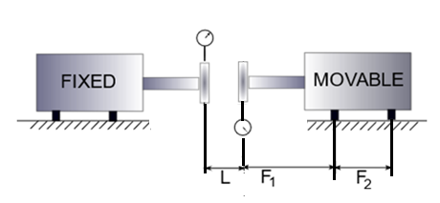

Enter L= | 100 | mm
Enter F1= | 200 | mm
Enter F2= | 300 | mm

Enter Sag |  | 0.1 | mm

1. Adjust first the verical plane
2. Zero both the dials at 12 o'clock
3. Record readings at 90 Degree intervals, and validate results (mm).
4. Sag should be added on both machine dial readings

FIXED |  |  |  | MOVABLE
 | 0 |  |  |  | -0.1
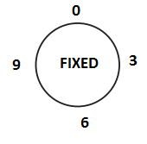
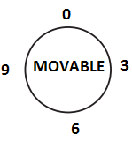

0 |  |  | 0.08 | -0.1 |  | 0

 | 0.08 |  |  |  | 0

X= | 0.09
Y= | -0.1
Correction in vertical
Driver front foot | -0.480 | mm | Add shims
Driver rear foot | -1.050 | mm | Add shims

5. Adjust the horizontal plane (No sag accounted)
6. On the fixed machine position the dial gauge at 9:00 and zero
7. On the movable machine set the dial gauge at 3:00 and zero.
8. Rotate 180 degreec. And record readings
Z= | 0.040 | mm
W= | -0.050 | mm
Correction in HORIZONTAL
Driver front foot | -0.230 | mm | Move towards 9:00 o'clock
Driver rear foot | -0.500 | mm | Move towards 9:00 o'clock

GVL Management & Consulting Ltd
P.O.Box 42286, 6532, Larnaca, CYPRUS, E-mail: info@gvlengineering.com

